Hoja1
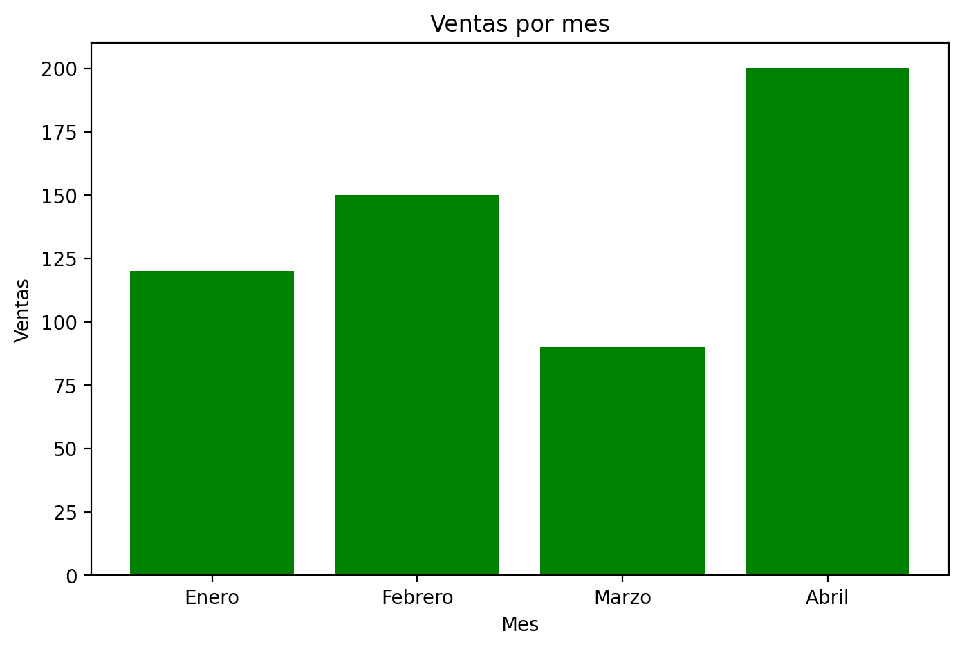
 | Mes | Ventas
0 | Enero | 120
1 | Febrero | 150
2 | Marzo | 90
3 | Abril | 200

